Request(list your BOM here)
訂購 | 編號 | 零件 Parts | 說明 Specification | 數量 Q'ty | 價格 (NT) | 照片 Photo | 參考連結 Reference Website
 | 1 | Arduino HX711 重量感測器(整組已組裝好) | It is an Arduino setup with the HX711 weight sensor to measure product weight. The setup has three main parts:HX711 Module,the UNO R3 Development Board,1602 LCD Display | 1 | 785 | 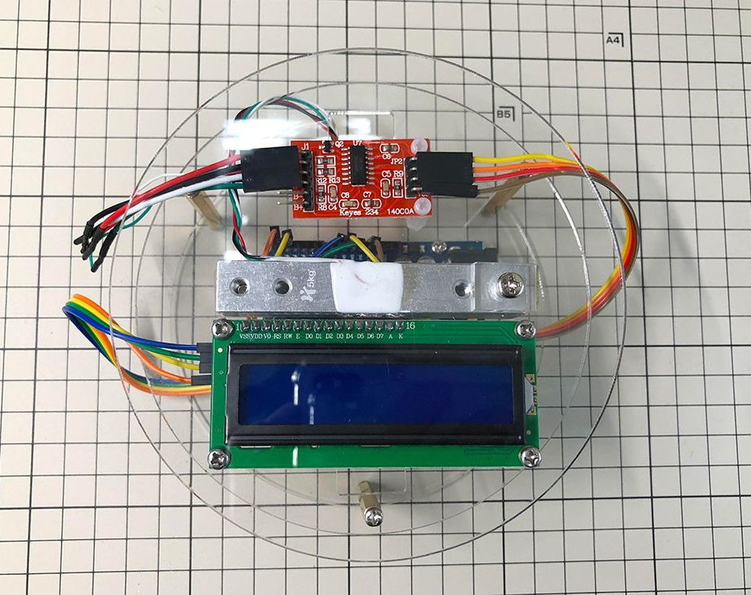 | https://www.jmaker.com.tw/products/hx711-project?ref=blog.jmaker.com.tw

